Invocice
 |  | Date | 27 Sept 2023
 |  | Invoice # | 3
M/S Bank Al-Falah Limited Pakistan |  | NTN # | 4312149-7
NTN # 0698202-6

Attn: Mr. Shujaat Ali

Invoice

Summary of Final Bill against Purchased Order # 227805
S.No | Description |  | Total Amount
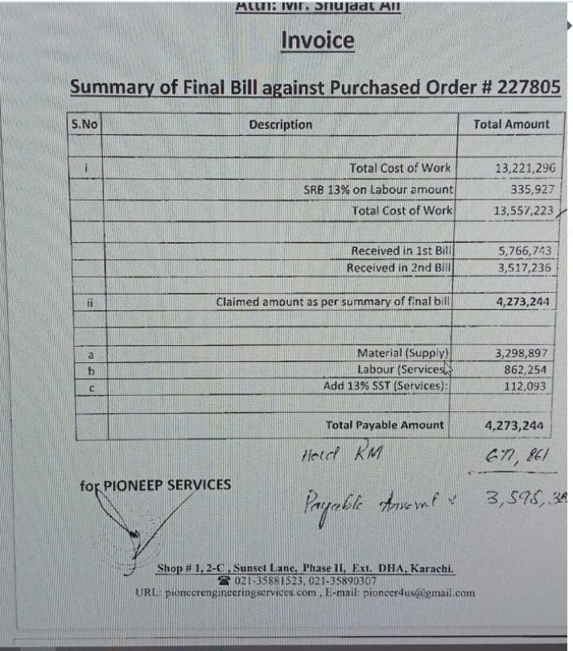
i | Total Cost of Work |  | 13,221,296
 | SRB 13% on Labour amount |  | 335,927
 | Total Cost of Work |  | 13,557,223

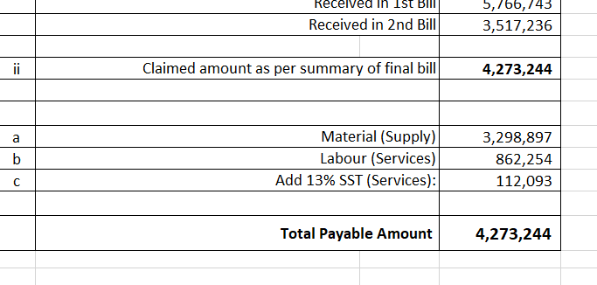
 | Received in 1st Bill |  | 5,766,743
 | Received in 2nd Bill |  | 3,517,236

ii | Claimed amount as per summary of final bill |  | 4,273,244

a | Material (Supply) |  | 3,298,897
b | Labour (Services) |  | 862,254 | 862,254.00
c | Add 13% SST (Services): |  | 112,093 | 112,093.02

 | Total Payable Amount |  | 4,273,244 |  |  | 4,273,244
 |  |  |  |  |  | 677861
 |  |  |  |  | 4,273,244 | 3,595,383
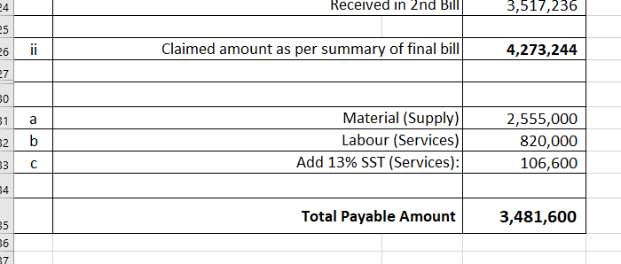
for PIONEER SERVICES

 | Tax on material 5.5% & on lab 11% | 181,439 | 107,178 |  | -
 | 4.237% Sales tax on Material | 139,784 |  |  | -
 | 20% SRB on Lab |  | 22,418.60 | 4.237% | -

 | Payable |  | 3,822,424
 |  |  |  | 471,685.05
 | Received on 7 Oct 23 |  | 3,144,567

 | Net payable |  | 677,857
 |  |  |  |  | 2,516,768.11 | 954,527.00
 | Rceived on 7 Feb 24 |  | 677,861 |  |  | 124,088.51
 |  |  |  |  |  | 1,078,615.00
 |  |  | (4) |  |  |  | 3,595,383.11

 |  |  |  |  | 138,422.25 | 118,647.65
 |  |  |  |  | 106,642.72 | 24,817.70

 |  |  |  |  |  | 3,206,852.80

Summary
M/S Bank Al-Falah Limited Pakistan |  |  | Date | 26 August 2023
NTN # 0698202-6 |  |  | Invoice # | 3
 |  |  | NTN # | 4312149-7
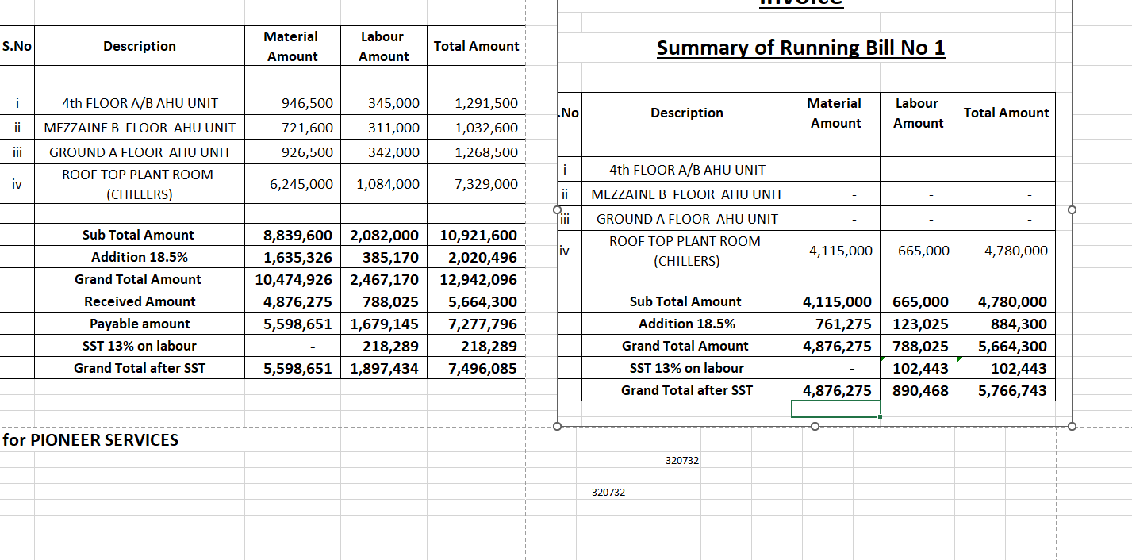
Attn: Mr. Shujaat Ali

Invoice

Summary of Final Bill

S.No | Description | Material Amount | Labour Amount | Total Amount
 | BOQ Items
i | 4th FLOOR A/B AHU UNIT | 946,500 | 345,000 | 1,291,500
ii | MEZZAINE B FLOOR AHU UNIT | 721,600 | 311,000 | 1,032,600
iii | GROUND A FLOOR AHU UNIT | 926,500 | 342,000 | 1,268,500
iv | ROOF TOP PLANT ROOM (CHILLERS) | 5,580,000 | 1,069,000 | 6,649,000
 | Sub Total Amount | 8,174,600 | 2,067,000 | 10,241,600
 | Addition 18.5% | 1,512,301 | 382,395 | 1,894,696
 | Total amount | 9,686,901 | 2,449,395 | 12,136,296

 | Non-BOQ Items
a | Additional work (Cooling tower) | 525,000 | 300,000 | 825,000
b | Additional work (Pumps) | 210,000 | 50,000 | 260,000
 | Total Amount | 735,000 | 350,000 | 1,085,000

 | Grand Total amount | 10,421,901 | 2,799,395 | 13,221,296
 | SST 13% on labour | - | 335,927 | 335,927
 | Grand Total after SST | 10,421,901 | 3,135,322 | 13,557,223
 | Received in 1st Bill |  |  | 5,766,743
 | Received in 2nd Bill |  |  | 3,517,236
 | Payable Balance |  |  | 4,273,244
 |  |  |  |  |  | 223,834
for PIONEER SERVICES |  |  |  |  | 13,557,223
 |  |  |  |  |  | 112,093

 | Tax on material 4.5% & on lab 10% | 468,986 | 313,532
 | 4.23% Sales tax on Material | 409,756
 | 20% SRB on Lab |  | 67,185.48

 |  | 9,543,160 | 2,754,605

 |  |  | 12,297,764

